Sheet1
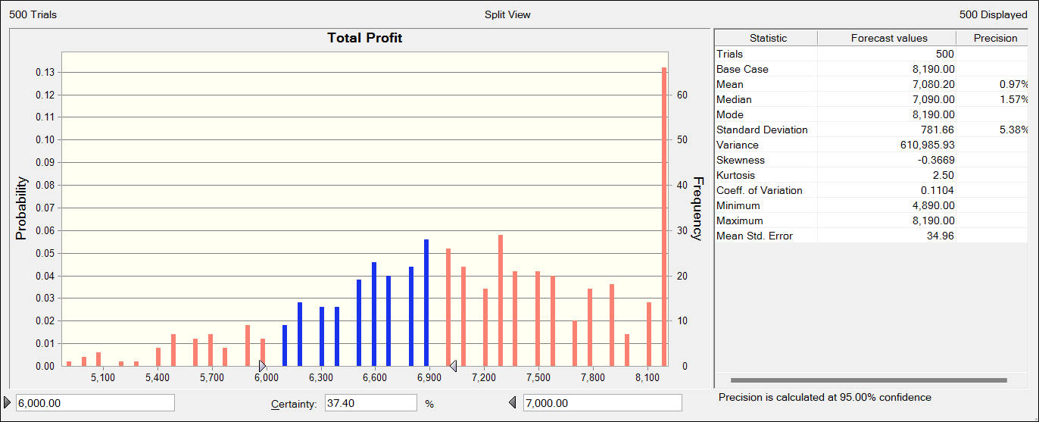
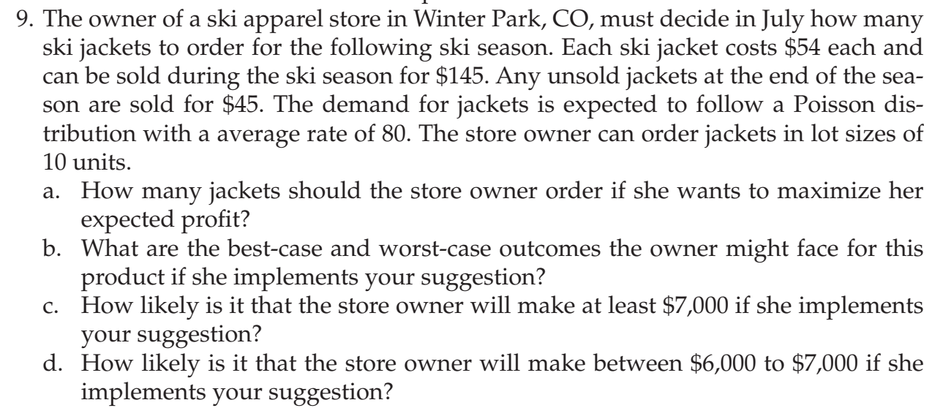
CP | $54.00
SP | $145.00 |  | Profit during season | 91
At the end
SP final | 45 |  | Loss after season | 9

Demand | Poisson Distribution
 | Average rate |  | 80
Order in July | 90 |  | Order multiple of 10 | 0

Ski season months | Demand | Stock | Demand met | End stock | Total Profit
Ski season | 100 | 90 | 90 | 0 | 8190

a) The store owner should order 90 jackets if she wants to maximize her expected profit as shown in the figure below

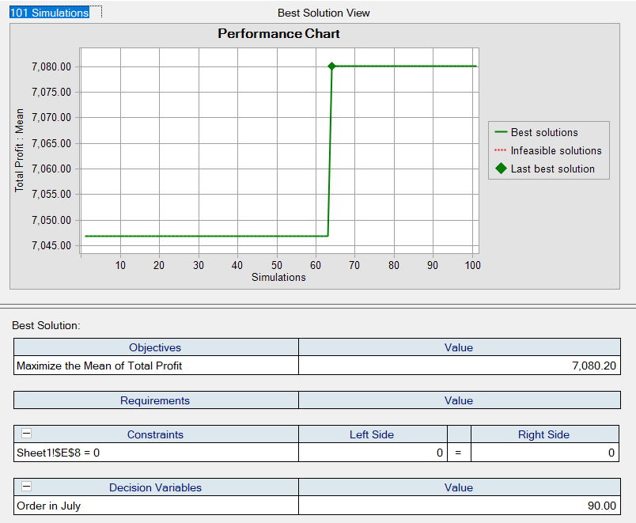

b) The best case outcome is expected profit of $8190 and the worst case outcome is expected profit of $4890 if the owner implements our suggestion as shown in the figure below in statistics as max and min

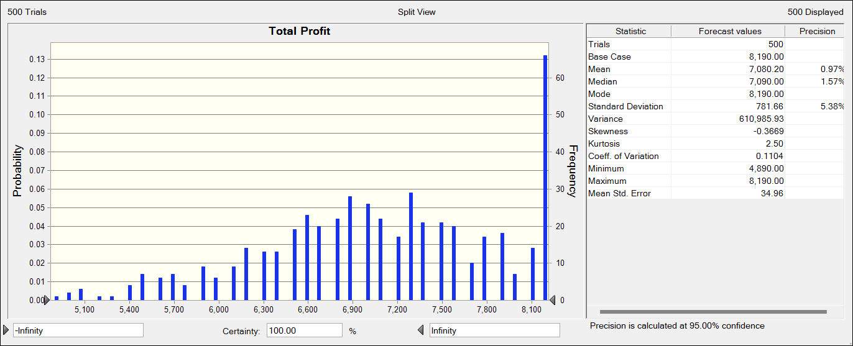

c) As shown in the chart below at the bottom for value from 7000 to infinity , it is 52.38% likely that the owner will earn at least 7000 If she implements our suggestion.

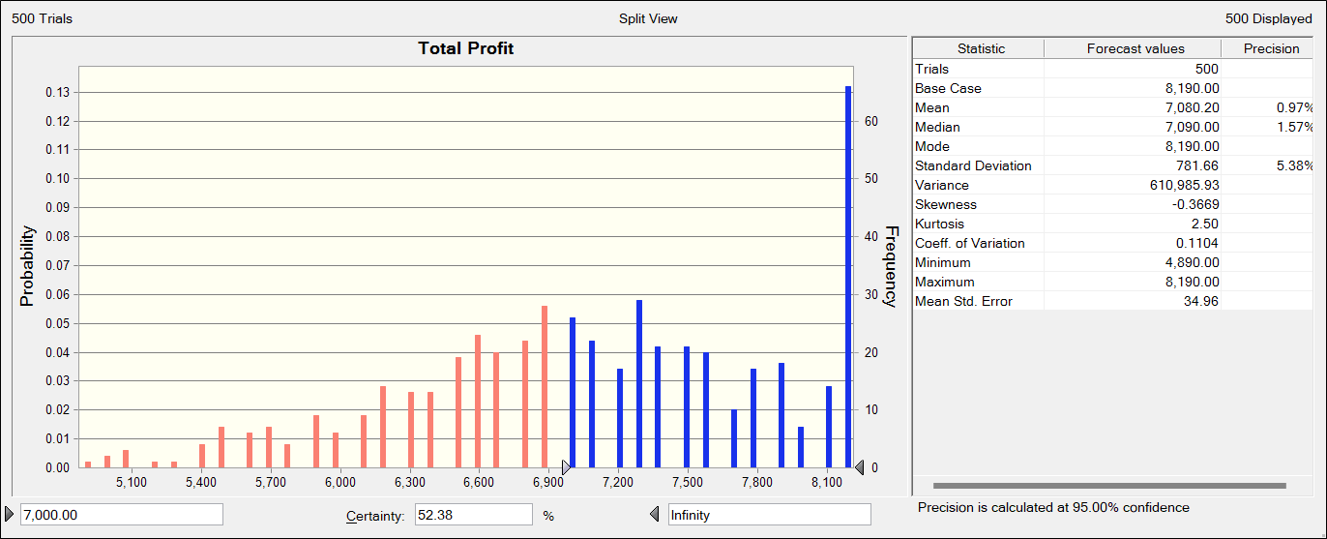

d) As shown in the chart below at the bottom for value from 6000 to 7000 , it is 37.40% likely that the owner will earn between 6000 and 7000 If she implements our suggestion.

